Evidence
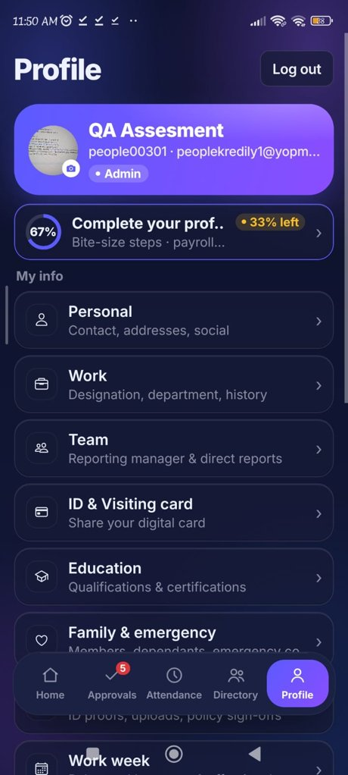
Screenshot Evidence

BUG-01 – Pending approval count differs (Home 8 vs nav badge 5)
Home: '8 approvals waiting' while nav badge shows 5
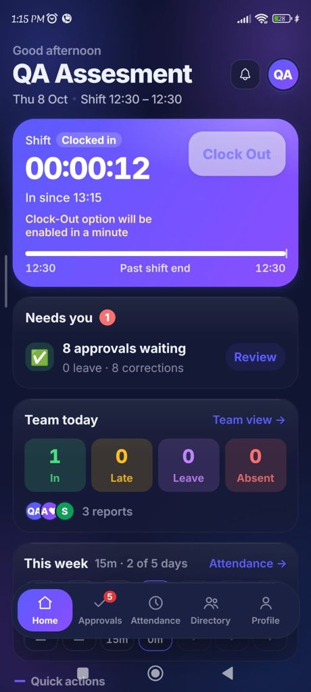

BUG-02 – Worked time on Home vs Attendance
Home: '5m worked' | Attendance: 08:43 → 08:53
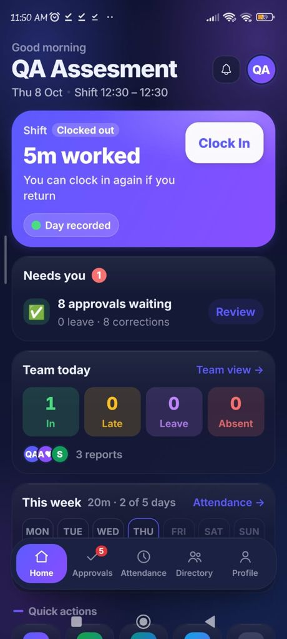 | 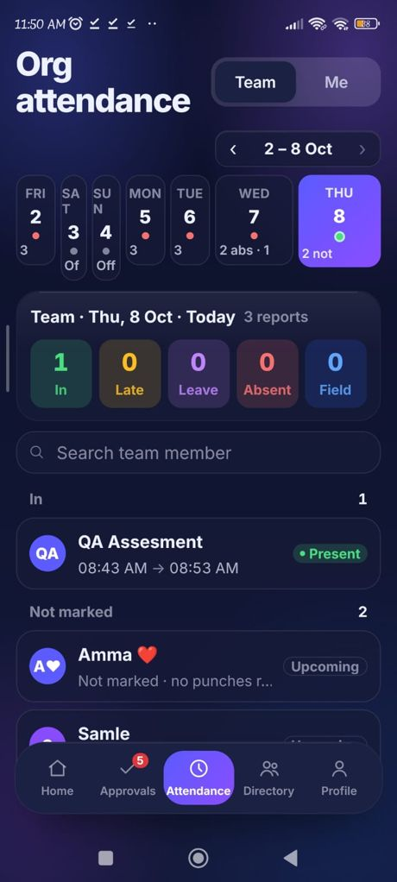

BUG-03 – Login placeholder clipped
Login screen (run 1) | Login screen (run 2)
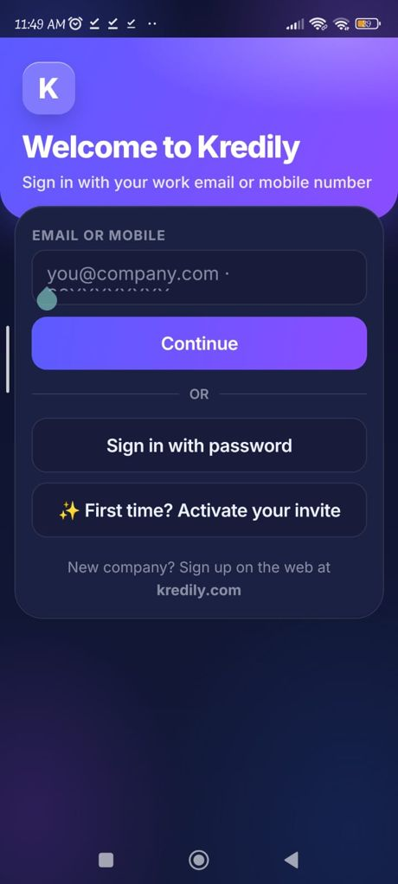 | 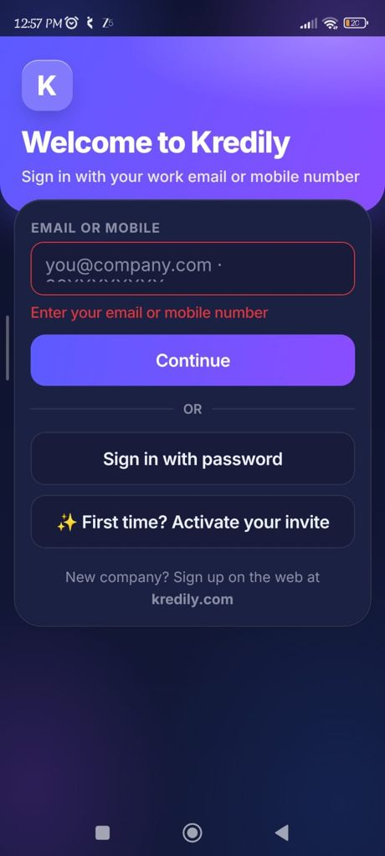

Attendance date strip
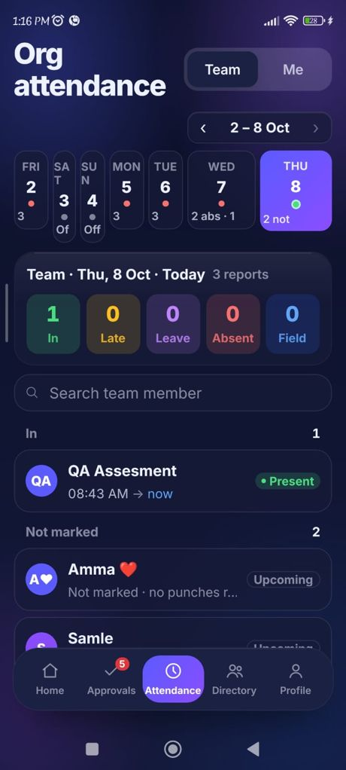

BUG-05 – Week range differs (Home Mon–Sun vs Attendance Fri–Thu)
Attendance: 2 – 8 Oct, Fri–Thu | Home: 'This week' strip

BUG-06 – Shift shows 12:30 – 12:30; Clock In flagged "After shift · OT window"
Verify & confirm: 'After shift · OT window' (13:15) | Home: shift 12:30 – 12:30
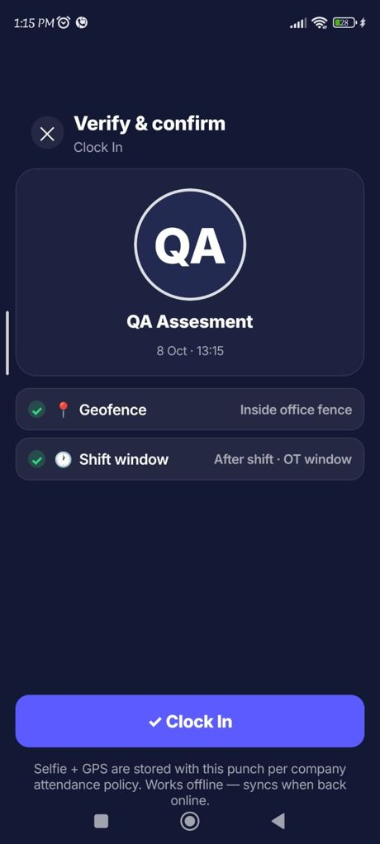 | 

BUG-07 – Profile header text truncated
Profile: email and banner heading truncated

